Uprise Art
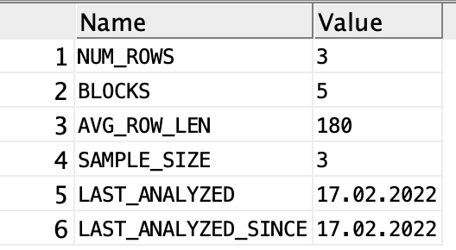
Table | initial row size (AVG_ROW_LEN) | Expansion | PCTFREE (calculated) | PCTFREE (value used) | Amount of current information (number of rows) | Growth per year (number of rows) | Growth per half year (number of rows) | fudge factor | Est. Table size (bytes) | Est. table size (KB) | Est. 1/2 yr. growth (bytes) | Est. 1/2 year growth (KB) | INITIAL EXTENT SIZE ( KB) | NEXT extent size (KB) | NEXT extent size (MB)
BC_ACCOUNT | 94 | 2 | 2.08% | 5 | 8,000,000 | 1,000,000 | 500,000 | 10 | 1,737,120,000 | 1,696,406 | 54285000 | 53,013 |  |  | 0
BC_BICYCLE | 80 | 0 | 0.00% | 0 | 162,000 | 2,500 | 1,250 | 10 | 28,512,000 | 27,844 | 110000 | 107 |  |  | 0
BC_BICYCLE_STATUS | 43 | 2 | 4.44% | 5 | 640,000,000 | 464,000,000 | 232,000,000 | 10 | 63,571,200,000 | 62,081,250 | 11522280000 | 11,252,227 |  |  | 0
BC_COUNTRY | 28 | 0 | 0.00% | 0 |  |  | - | 10 | - | 0 | 0 | - |  |  | 0
BC_DOCK | 40 | 1 | 2.44% | 5 | 259,200 | 4,000 | 2,000 | 10 | 23,950,080 | 23,389 | 92400 | 90 |  |  | 0
BC_MEMBERSHIP | 29 | 0 | 0.00% | 0 | 16,000,000 | 2,000,000 | 1,000,000 | 10 | 1,020,800,000 | 996,875 | 31900000 | 31,152 |  |  | 0
BC_PASS | 180 | 0 | 0.00% | 0 | 1,944 | 30 | 15 | 10 | 769,824 | 752 | 2970 | 3 |  |  | 0
BC_PROGRAM | 135 | 0 | 0.00% | 0 | 648 | 10 | 5 | 10 | 192,456 | 188 | 743 | 1 |  |  | 0
BC_STATION | 138 | 0 | 0.00% | 0 | 32,400 | 500 | 250 | 10 | 9,836,640 | 9,606 | 37950 | 37 |  |  | 0
BC_TRIP | 77 | 8 | 9.41% | 10 | 160,000,000 | 116,000,000 | 58,000,000 | 10 | 29,814,400,000 | 29,115,625 | 5403860000 | 5,277,207 |  |  | 0

Tablespace name | NEXT EXTENT size | Tables to place in this tablespace

 |  |  |  |  |  |  |  |  |  |  |  | =

 | BC_ACCOUNT |  | BC_BICYCLE |  | BC_BICYCLE_STATUS
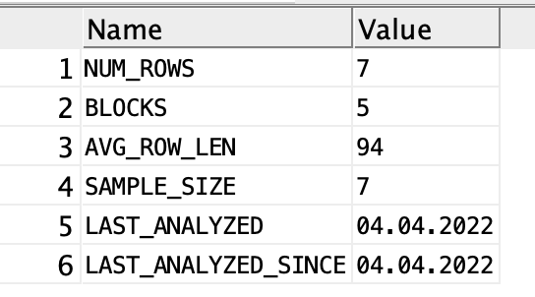
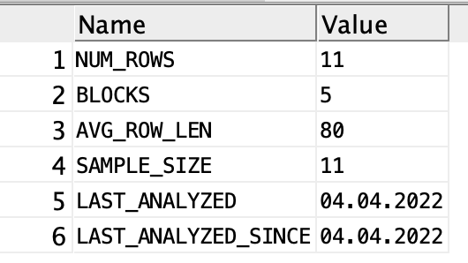
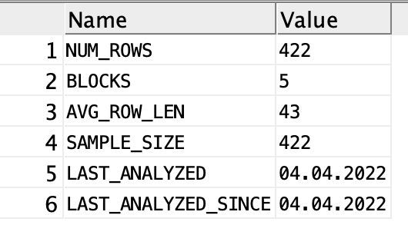

 | BC_COUNTRY |  | BC_DOCK |  | BC_MEMBERSHIP
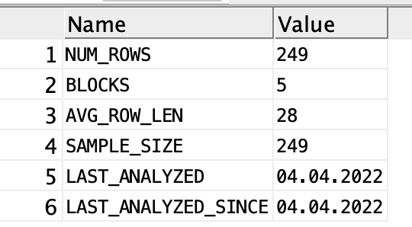
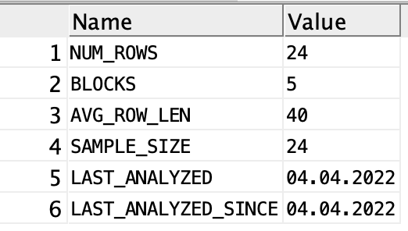
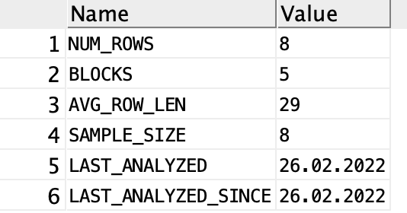

 | BC_PASS

